Test Execution
 |  |  |  | Project Name: OrangeHRM Test Case Document
Test Case ID | Module Name | Test Scenario ID | Test Type | Test Objective | Pre-requisite | Steps to follow | Test Data | Expected Result | Actual Result | Status | Screenshot
 |  |  |  | HomePage
Tc_01 | Login | Ts_01 | Smoke Test | Verify valid url of OrangeHRM application for user | 1.Browser must be open 2.Test data must be available | 1.Enter valid url in address bar of the browser | https://opensource-demo.orangehrmlive.com/web/index.php/auth/login | Url should be display | Url of application is display | Pass
 |  |  |  |  |  | 2.Press Enter key from the keyword |  | OrangeHRM Home page with Login feature should be display | SwagLabs application home page open with login feature | Pass

Tc_02 | Login | Ts_02 | Smoke Test | Verify invalid url of OrangeHRM application for user | 1.Browser must be open 2.Test data must be available | 1.Enter invalid url address into address bar of the browser | https://opensource-demo.orange.com/web/index.php/auth/login | Url should be display | Same As Expected | Pass
 |  |  |  |  |  | 2. Press Enter key |  | User should get Error message | Page displays about this site can't be reached | Pass

Tc_03 | Login | Ts_03 | UI Test | Verify OrangeHRM text as heading for Login page | 1.Home page of OrangeHRM must be open | 1. Observe the home page |  | OrangeHRM Text should be Heading For Home page. | OrangeHRM Text is Heading For Home page. | Pass

Tc_04 | Login | Ts_04 | UI Test | Verify Login text as Sub-heading for Login page | 1.Home page of OrangeHRM must be open | 1.Observe the home page |  | Login Text should be visible on Home page. | Login Text is visible on Home page. | Pass

Tc_05 | Login | Ts_05 | UI Test | Verify OrangeHRM logo aligned at middle right side of the page | 1.Home page of OrangeHRM must be open | 1.Observe the home page |  | OrangeHRM Logo should be visible at middle right side of the Home Page | OrangeHRM Logo is visible at middle right side of the Home Page | Pass

Tc_06 | Login | Ts_06 | UI Test | Verify Accepted Usernmae And Password data is Displayed. | 1.Home page of OrangeHRM must be open | 1.Observe the home page |  | Accepted Username And Password Data should be visible on HomePage. | Accepted Username And Password Data is visible on HomePage. | Pass

Tc_07 | Login | Ts_07 | UI Test | Verify login feature UI for user | 1. Home Page must be open | 1. Observe the Home Page for Login feature. |  | On home page login feature with Username ,password Textbox with Login button And Forgot your Password? Link should be display and enabled. | Same As Expected | Pass

Tc_08 | Login | Ts_08 | Functional Test | Validate login functionality with valid credentials | 1.Home page must be open 2.Test data must be available | 1.Enter valid Username | UN: Admin | User name should be display | User name display | Pass
 |  |  |  |  |  | 2.Enter valid password | Password: admin123 | Password should be display in encrypted form | Password display in encrypted form | Pass
 |  |  |  |  |  | 3.Click on Login button |  | User should be able to login and user should be navigate to DashBoard page | User able to login and user navigate to DashBoard page | Pass

Tc_09 | Login | Ts_09 | Functional Test | Validate Login Functionality with Invalid Username And Valid Password. | 1.Home page must be open 2.Test data must be available | 1.Enter Invalid Username | UN: Abhijeet | User name should be display | User name display | Pass
 |  |  |  |  |  | 2.Enter Valid Password | Password: admin123 | Password should be display in encrypted form | Password display in encrypted form | Pass
 |  |  |  |  |  | 3.Click on Login button |  | 1.User should not be able to login. 2.User should get an error message like "Invalid Credentials". | 1.User is not able to login. 2.User get an error message like "Invalid Credentials". | Pass

Tc_10 | Login | Ts_10 | Functional Test | Validate Login Functionality with Valid Username And Invalid Password. | 1.Home page must be open 2.Test data must be available | 1.Enter Valid Username | UN: Admin | User name should be display | User name display | Pass
 |  |  |  |  |  | 2.Enter Invalid Password | Password: Admin123 | Password should be display in encrypted form | Password display in encrypted form | Pass
 |  |  |  |  |  | 3.Click on Login button |  | 1.User should not be able to login. 2.User should get an error message like "Invalid Credentials". | 1.Useris not able to login. 2.User get an error message like "Invalid Credentials". | Pass

Tc_11 | Login | Ts_11 | Functional Test | Validate Login functionality with Invalid Credentials. | 1.Home page must be open 2.Test data must be available | 1.Enter Invalid Username | UN: Abhijeet | User name should be display | User name display | Pass
 |  |  |  |  |  | 2. Enter Invalid Password | Password: Admin123 | Password should be display in encrypted form | Password display in encrypted form | Pass
 |  |  |  |  |  | 3.Click on Login button |  | 1.User should not be able to login. 2.User should get an error message like "Invalid Credentials". | 1.User is not able to login. 2.User get an error message like "Invalid Credentials". | Pass

Tc_12 | Login | Ts_12 | Functional Test | Validate login feature for forgot your password link. | 1.Home page must be open 2.Test data must be available | 1. Click On Forgot your password Link | https://opensource-demo.orangehrmlive.com/web/index.php/auth/login | User should be navigate to Reset Password Page. | User navigate to Reset Password Page. | Pass

Tc_13 | Login | Ts_13 | Functional Test | Validate Login Functionality for Invalid Password For 2 Wrong attempts. | 1.Home page must be open 2.Test data must be available | 1.Enter Valid Username | UN: Admin | User name should be display | User name display | Pass
 |  |  |  |  |  | 2. Enter Invalid Password | Password: Admin123 | Password should be display in encrypted form | Password display in encrypted form | Pass
 |  |  |  |  |  | 3.Click on Login button |  | 1.User should not be able to login. 2.User should get an error message like "Invalid Credentials". | 1.User is not able to login. 2.User get an error message like "Invalid Credentials". | Pass
 |  |  |  |  |  | 4.Enter Valid Username | UN: Admin | User name should be display | User name display | Pass
 |  |  |  |  |  | 5. Enter Invalid Password | Password: Admin123 | Password should be display in encrypted form | Password display in encrypted form | Pass
 |  |  |  |  |  | 6.Click on Login button |  | 1.User should not be able to login. 2.User should get an error message like "You already made 2 wrong attempts and on 3rd attempt your account will be locked for 24 hours.". | 1.User is not able to login. 2.User get an error message like "Invalid Credentials". | Fail | 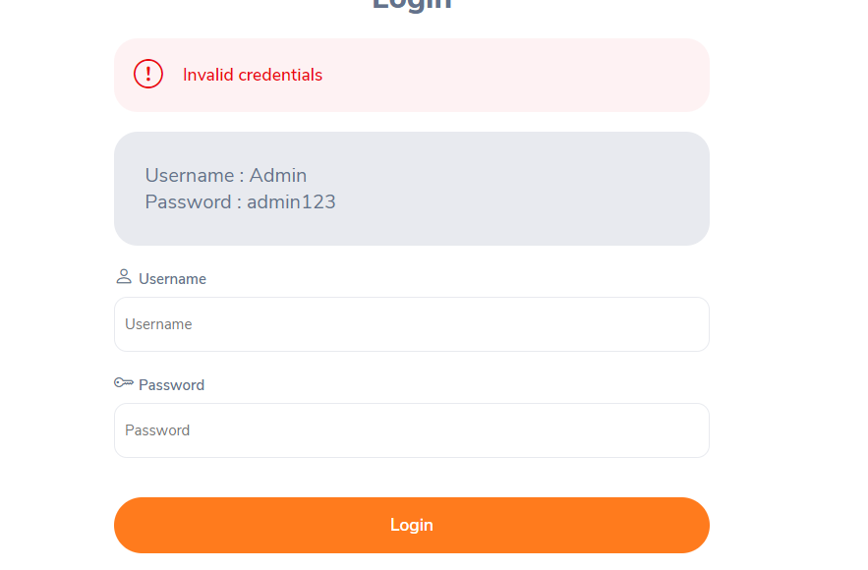

Tc_14 | Login | Ts_14 | Functional Test | Validate Login Functionality for Invalid Password For 3 Wrong attempts. | 1.Home page must be open 2.Test data must be available | 1. Enter Valid Username | UN: Admin | User name should be display | User name display | Pass
 |  |  |  |  |  | 2.Enter Invalid Password | Password: Admin123 | Password should be display in encrypted form | Password display in encrypted form | Pass
 |  |  |  |  |  | 3. Click on Login Button |  | 1.User should not be able to login. 2.User should get an error message like "Invalid Credentials". | 1.User is not able to login. 2.User get an error message like "Invalid Credentials". | Pass
 |  |  |  |  |  | 4. Enter Valid Username | UN: Admin | User name should be display | User name display | Pass
 |  |  |  |  |  | 5. Enter Invalid Password. | Password: Admin123 | Password should be display in encrypted form | Password display in encrypted form | Pass
 |  |  |  |  |  | 6. Click On Login Button |  | 1.User should not be able to login. 2.User should get an error message like "You already made 2 wrong attempts and on 3rd attempt your account will be locked for 24 hours.". | 1.User is not able to login. 2.User get an error message like "Invalid Credentials". | Fail
 |  |  |  |  |  | 7. Enter Valid Username | UN: Admin | User name should be display | User name display | Pass
 |  |  |  |  |  | 8. Enter Invalid Password. | Password: Admin123 | Password should be display in encrypted form | Password display in encrypted form | Pass
 |  |  |  |  |  | 9. Click on Login Button |  | 1.User should not be able to login And Account Should be Lock for 24 hours. 2.User should get an error message like "Your account is locked for 24 hours please try after 24 hours." | 1.User is not able to login. 2.User get an error message like "Invalid Credentials". | Fail

Tc_15 | Login | Ts_15 | Functional Test | Validate login feature with valid credentials when user account is locked. | 1.Home page must be open 2.Test data must be available. 3. User Account must be Locked. | 1. Enter Valid Username | UN: Admin | User name should be display | User name display | Pass
 |  |  |  |  |  | 2. Enter Valid Password. | Password: admin123 | Password should be display in encrypted form | Password display in encrypted form | Pass
 |  |  |  |  |  | 3.Click On Login Button |  | 1.User should not be able to login. 2.User should get an error message like "Your account is locked please try after 24 hours". | Account Is not locked And User Is able to Login | Fail | 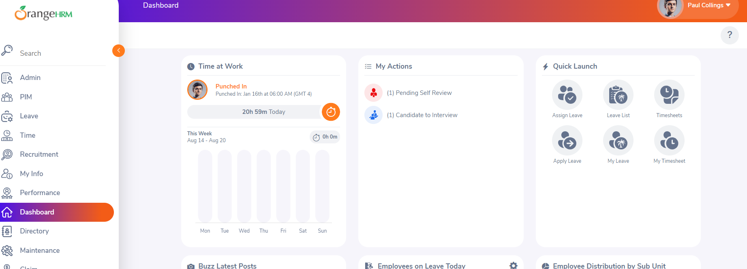

Tc_16 | Login | Ts_16 | Functional Test | Verify And Validate footer text along with Incorporated(Inc.) link functionality | 1.Home page must be open 2.Test data must be available | 1. Observe The HomePage |  | Footer Text Should be Visible | Footer Text is Visible | Pass
 |  |  |  |  |  | 2. Click On Incorporated(Inc.) Link | https://opensource-demo.orangehrmlive.com/web/index.php/auth/login | User Should be able to redirect to OrangeHRM,Inc. Page. | User able to redirect to OrangeHRM,Inc. Page. | Pass

Tc_17 | Login | Ts_17 | Functional Test | Validate the Functionality of Linkd In Icon from Footer. | 1.Home page must be open 2.Test data must be available | 1. Observe The HomePage |  | Linkd In icon Should be visible on footer. | Linkd In icon is visible on footer. | Pass
 |  |  |  |  |  | 2. Click on Linkd In icon |  | User should be able to redirect to Linkdin Page of OrangeHRM | User able to redirect to Linkdin Page of OrangeHRM | Pass

Tc_18 | Login | Ts_18 | Functional Test | Validate the Functionality of Facebook Icon from Footer. | 1.Home page must be open 2.Test data must be available | 1. Observe The HomePage |  | Facebook icon should be visible on footer. | Facebook icon must be visible on footer. | Pass
 |  |  |  |  |  | 2. Click on Facebook icon |  | User should be able to redirect to Facebook Page of OrangeHRM | User should be able to redirect to Facebook Page of OrangeHRM | Pass

Tc_19 | Login | Ts_19 | Functional Test | Validate the Functionality of Twitter Icon from Footer. | 1.Home page must be open 2.Test data must be available | 1. Observe The HomePage |  | Twitter icon should be visible on footer. | Twitter icon visible on footer. | Pass
 |  |  |  |  |  | 2. Click on Twitter icon |  | User should be able to redirect to Twitter Page of OrangeHRM | User able to redirect to Twitter Page of OrangeHRM | Pass

Tc_20 | Login | Ts_20 | Functional Test | Validate the Functionality of Youtube Icon from Footer. | 1.Home page must be open 2.Test data must be available | 1. Observe The HomePage |  | Youtube icon Should be visible on footer. | Youtube icon visible on footer. | Pass
 |  |  |  |  |  | 2. Click on Youtube icon |  | User should be able to redirect to Youtube Page of OrangeHRM | User able to redirect to Youtube Page of OrangeHRM | Pass

 |  |  |  | DashBoard Page

Tc_21 | Dashboard | Ts_21 | UI Test | Verify "Dashboard" text aligned at top left side within the primary header . | 1. User must be login and DashBoard Page of OrangeHRM must be Open. | 1. Observe the DashBoard Page |  | "Dashboard" Text should be Visible at top left side within the primary header. | "Dashboard" Text Visible at top left side within the primary header. | Pass

Tc_22 | Dashboard | Ts_22 | UI Test | Verify Username Icon aligned at top right side within the primary header. | 1. User must be login and DashBoard Page of OrangeHRM must be Open. | 1. Observe the DashBoard Page |  | Username Icon should be visible at top right side within the primary header. | Username Icon visible at top right side within the primary header. | Pass

Tc_23 | Dashboard | Ts_23 | UI Test | Verify And Test Username Icon and its Functionality. | 1. User must be login and DashBoard Page of OrangeHRM must be Open. | 1. Observe the DashBoard Page |  | Username Icon should be visible at top right side within the primary header. | Username Icon visible at top right side within the primary header. | Pass
 |  |  |  |  |  | 2. Click On Username Icon |  | On Clicking Username Icon Username menu should be open within the page with options About, Support, Change Password, Logout | On Clicking Username Icon Username menu open within the page with options About, Support, Change Password, Logout | Pass

Tc_24 | Dashboard | Ts_24 | UI Test | Verify Support Icon aligned at top right side within the Secondary header. | 1. User must be login and DashBoard Page of OrangeHRM must be Open. | 1. Observe the DashBoard Page |  | Support Icon should be visible at top right side within the Secondary header. | Support Icon visible at top right side within the Secondary header. | Pass

Tc_25 | Dashboard | Ts_25 | UI Test | Verify And Test Navigation Menu bar is aligned to the top left side with its functionality | 1. User must be login and DashBoard Page of OrangeHRM must be Open. | 1. Observe the DashBoard Page |  | Navigation Menu bar should be visible to the top left side | Navigation Menu bar visible to the top left side | Pass
 |  |  |  |  |  | 2. Click on Navigation Menu Bar |  | Navigation Menu bar should be Maximize. | Navigation Menu bar Maximized. | Pass

Tc_26 | Dashboard | Ts_26 | UI Test | Verify Navigation Menu displaying Features Admin, PIM, Leave, Time, Recruitment, My Info, Performance, Dashboard, Directory, Maintainance, Claim, Buzz And Search functionality. | 1. User must be login and DashBoard Page of OrangeHRM must be Open. 2. Navigation Bar Must be open. | 1. Observe the DashBoard Page |  | Navigation Menu bar should be visible to the top left side | Navigation Menu bar visible to the top left side | Pass
 |  |  |  |  |  | 2. Observe the Navigation bar |  | Navigation Menu should be displaying Features Admin, PIM, Leave, Time, Recruitment, My Info, Performance, Dashboard, Directory, Maintainance, Claim, Buzz And Search functionality. | Navigation Menu displaying Features Admin, PIM, Leave, Time, Recruitment, My Info, Performance, Dashboard, Directory, Maintainance, Claim, Buzz And Search functionality. | Pass

Tc_27 | DashBoard | Ts_27 | UI Test | Verify features Time at work, My Actions, Quick Launch, Buzz Latest Posts, Employee on Leave Today, Employee Distribution by Sub Unit, Employee Distribution by Location are displayed on the Dashboard page. | 1. User must be login and DashBoard Page of OrangeHRM must be Open. | 1. Observe the DashBoard Page |  | Dashboard Page should be displaying features Time at work, My Actions, Quick Launch, Buzz Latest Posts, Employee on Leave Today, Employee Distribution by Sub Unit, Employee Distribution by Location. | Dashboard Page displaying features Time at work, My Actions, Quick Launch, Buzz Latest Posts, Employee on Leave Today, Employee Distribution by Sub Unit, Employee Distribution by Location. | Pass

Tc_28 | Dashboard | Ts_28 | UI Test | Verify the Quick Launch displaying Assign leave, Leave List, Timesheets, Apply Leave, My Leave, My Timesheets features | 1. User must be login and DashBoard Page of OrangeHRM must be Open. | 1. Observe the Quick Launch Tab on Dashboard page. |  | Quick Launch should be displaying Assign leave, Leave List, Timesheets, Apply Leave, My Leave, My Timesheets features. | Quick Launch displaying Assign leave, Leave List, Timesheets, Apply Leave, My Leave, My Timesheets features. | Pass

Tc_29 | Dashboard | Ts_29 | UI Test | Verify Employee Distribution by Sub Unit And Employee Distribution by Location are displaying pie-chart with legends. | 1. User must be login and DashBoard Page of OrangeHRM must be Open. | 1.Observe the Employee Distribution by sub Unit and Employee Distribution By location Tabs on Dashboard page. |  | Employee Distribution by Sub Unit And Employee Distribution by Location should be displaying pie-chart with legends. | Employee Distribution by Sub Unit And Employee Distribution by Location displaying pie-chart with legends. | Pass

Tc_30 | Dashboard | Ts_30 | UI Test | Verify the Percentage(%) are visible for each field in pie-chart. | 1. User must be login and DashBoard Page of OrangeHRM must be Open. | 1.Observe the Employee Distribution by sub Unit and Employee Distribution By location Tabs on Dashboard page. |  | Percentage(%) should be visible for each field in pie-chart. | Percentage(%) is not visible for each field in pie-chart. | Fail | 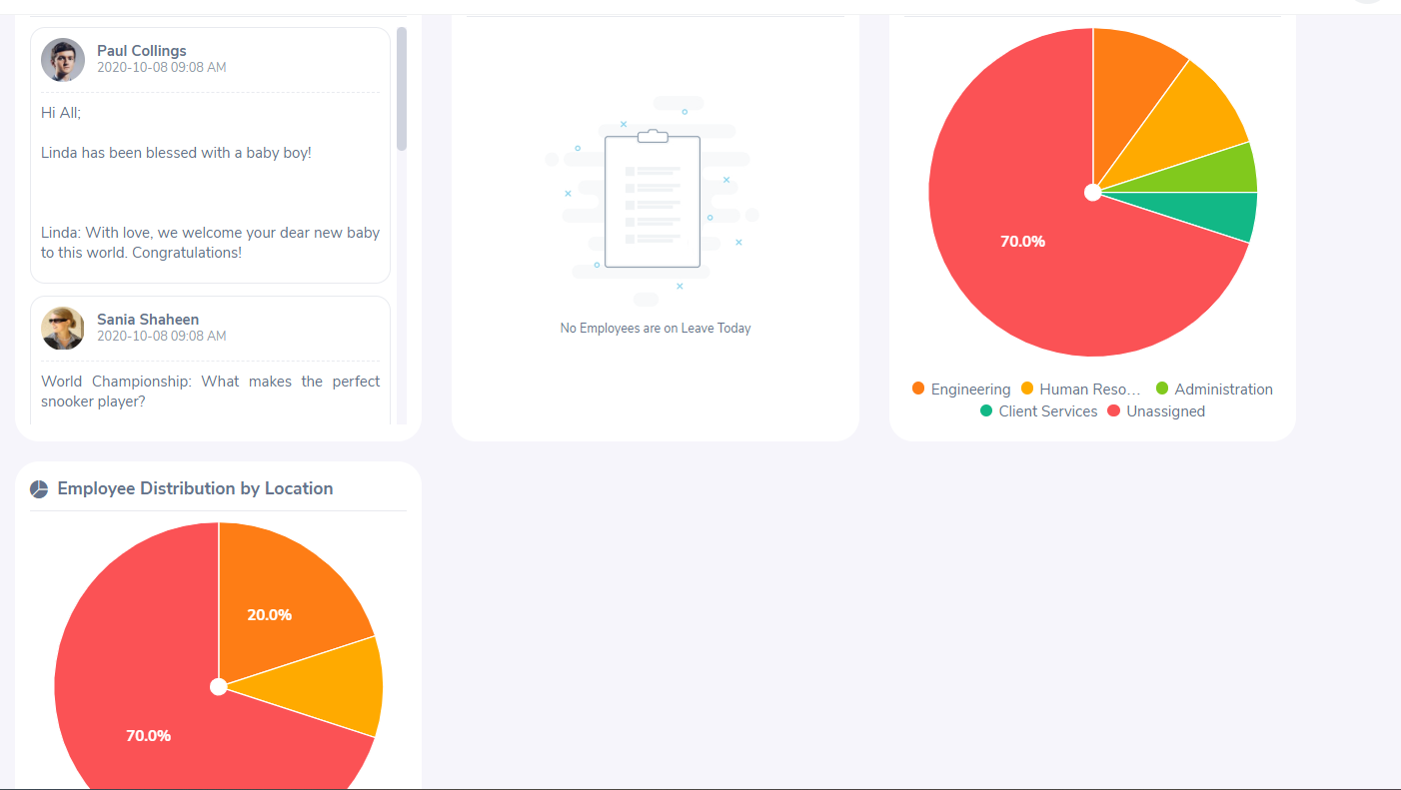

Tc_31 | Dashboard | Ts_31 | Functional Test | Verify and Validate the footer text along with Incorporated(Inc.) link functionality. | 1. User must be login and DashBoard Page of OrangeHRM must be Open. 2. Test Data must be available. | 1. Observe the dashboard page |  | Footer Text should be visible | Footer Text visible | Pass
 |  |  |  |  |  | 2. Click On Incorporated(Inc.) Link |  | User Should be able to redirect to OrangeHRM,Inc. Page. | User able to redirect to OrangeHRM,Inc. Page. | Pass

Tc_32 | Dashboard | Ts_32 | Functional Test | Validate the Admin Tab Feature. | 1. User must be login and DashBoard Page of OrangeHRM must be Open. | 1. Observe the Navigation Menu Bar on Dashboard page |  | Admin Tab should be visible in Navigation Menu Bar. | Admin Tab visible in Navigation Menu Bar. | Pass
 |  |  |  |  |  | 2. Click on Admin Tab |  | User should be navigate to Admin/User Management Page. | User navigate to Admin/User Management Page. | Pass

 |  |  |  | Admin/User Management Page

Tc_33 | Admin/User Management | Ts_33 | UI Test | Verify "Admin/User Management" text aligned at top left side within the primary header . | 1. User must be login and Admin/User Management Page of OrangeHRM must be Open. | 1. Observe the Admin/User Management Page. |  | "Admin/User Management" text Should be visible at top left side within the primary header . | "Admin/User Management" text visible at top left side within the primary header . | Pass

Tc_34 | Admin/User Management | Ts_34 | UI Test | Verify Username Icon aligned at top right side within the primary header. | 1. User must be login and Admin/User Management Page of OrangeHRM must be Open. | 1. Observe the Admin/User Management Page. |  | Username Icon should be visible at top right side within the primary header. | Username Icon visible at top right side within the primary header. | Pass

Tc_35 | Admin/User Management | Ts_35 | UI Test | Verify sub-header displaying Features User Management, Job, Organization, Qualifications, Nationalitites, Corporate Branding, Configuration. | 1. User must be login and Admin/User Management Page of OrangeHRM must be Open. | 1. Observe the Sub-header of Admin/User Management Page. |  | sub-header should be displaying Features User Management, Job, Organization, Qualifications, Nationalitites, Corporate Branding, Configuration. | sub-header displaying Features User Management, Job, Organization, Qualifications, Nationalitites, Corporate Branding, Configuration. | Pass

Tc_36 | Admin/User Management | Ts_36 | UI Test | Verify Support Icon aligned at top right side within the Secondary header | 1. User must be login and Admin/User Management Page of OrangeHRM must be Open. | 1. Observe the Sub-header of Admin/User Management Page. |  | Support Icon should be visible at top right side within the Secondary header | Support Icon visible at top right side within the Secondary header | Pass

Tc_37 | Admin/User Management | Ts_37 | UI Test | Verify System User UI For User. | 1. User must be login and Admin/User Management Page of OrangeHRM must be Open. | 1. Observe the Admin/User Management Page for System User UI |  | System Users panel UI Should includes Username , User role, Employee Name, Status Textbox with Reset, Search & Add buttons | Same As Expected | Pass

Tc_38 | Admin/User Management | Ts_37 | UI Test | Verify And Test User role Textbox And its Functionality. | 1. User must be login and Admin/User Management Page of OrangeHRM must be Open. 2. User Role Textbox must be visible | 1. Observe the Admin/User Management Page for User Role Textbox. |  | User Role Textbox should be a drop down | User Role Textbox is drop down | Pass
 |  |  |  |  |  | 2. Click On User Role drop down. |  | User Role should contain two roles "Admin" And "ESS". | User Role contain two roles "Admin" And "ESS". | Pass

Tc_39 | Admin/User Management | Ts_37 | UI Test | Verify And Test Status Textbox And its Functionality. | 1. User must be login and Admin/User Management Page of OrangeHRM must be Open. 2. Status Textbox must be visible | 1. Observe the Admin/User Management Page for Status Textbox. |  | Status Textbox should be a drop down | Status Textbox is drop down | Pass
 |  |  |  |  |  | 2. Click On Status drop down. |  | Status should contain two Values "Enabled" And "Disabled". | Status contain two Values "Enabled" And "Disabled". | Pass

Tc_40 | Admin/User Management | Ts_38 | UI Test | Verify Page is displaying founded Records with Username, User Role, Employee Name, Status, Actions with Delete & Edit buttons. | 1. User must be login and Admin/User Management Page of OrangeHRM must be Open. | 1. Observe the Admin/User Management Page. |  | Page should be displaying founded Records with Username, User Role, Employee Name, Status, Actions with Delete & Edit buttons. | Page displaying founded Records with Username, User Role, Employee Name, Status, Actions with Delete & Edit buttons. | Pass

Tc_41 | Admin/User Management | Ts_39 | Functional Test | Validate whether the user should be able to serach Existing employee as per Username. | 1. User must be login and Admin/User Management Page of OrangeHRM must be Open. 2. Test Data must be Available | 1.Enter Username | UN: Cheeku | User Name Should be display. | User Name display. | Pass
 |  |  |  |  |  | 2. Click on Search button |  | system should display employee details as per the given Username . | system display employee details as per the given Username . | Pass

Tc_42 | Admin/User Management | Ts_39 | Functional Test | Validate the functionality of Username If no user is available for Entered Username | 1. User must be login and Admin/User Management Page of OrangeHRM must be Open. 2. Test Data must be Available | 1.Enter Username Which does not exist(Invalid) | UN: ABHIJEET | Username Should be Display. | Username Display. | Pass
 |  |  |  |  |  | 2. Click On Search Button |  | 1.User should not be able to see Employee details. 2. User Should get an message."No Records Found". | 1.User is not able to see Employee details. 2. User get an message."No Records Found". | Pass

Tc_43 | Admin/User Management | Ts_40 | Functional Test | Validate whether the user should be able to serach employee as per User Role | 1. User must be login and Admin/User Management Page of OrangeHRM must be Open. | 1. Click On User Role. |  | Drop-down should contain two roles "Admin" And "ESS" | Drop-down contain two roles "Admin" And "ESS" | Pass
 |  |  |  |  |  | 2. Click On Admin/ESS |  | Based on user role selected it should display search results with message “Record Found” | Based on user role selected it display search results with message “Record Found” | Pass

Tc_44 | Admin/User Management | Ts_40 | Functional Test | Validate the functionality of User Role If No User is available for selected role | 1. User must be login and Admin/User Management Page of OrangeHRM must be Open. 2.Test Data Must be Available | 1. Enter Valid Username | UN: Cheeku | Username should be display | Username display | Pass
 |  |  |  |  |  | 2. Click On User Role. |  | Drop-down should contain two roles "Admin" And "ESS" | Drop-down contain two roles "Admin" And "ESS" | Pass
 |  |  |  |  |  | 3. Click On ESS |  | 1.User should not be able to see Employee details. 2. User Should get an message."No Records Found". | 1.User is not able to see Employee details. 2. User get an message."No Records Found". | Pass

Tc_45 | Admin/User Management | Ts_41 | Functional Test | Validate whether the user should be able to serach Existing employee as per Employee Name. | 1. User must be login and Admin/User Management Page of OrangeHRM must be Open. 2. Test Data must be Available | 1. Enter Employee Name | EN: Virat Kohali | Employee Name should be display | Employee Name display | Pass
 |  |  |  |  |  | 2. Click On Search Button |  | system should display employee details as per the given Employee Name. | system display employee details as per the given Employee Name. | Pass

Tc_46 | Admin/User Management | Ts_41 | Functional Test | Validate the functionality of Employee Name If no user is available for Entered Employee name | 1. User must be login and Admin/User Management Page of OrangeHRM must be Open. 2. Test Data must be Available | 1.Enter Employee Name Which does not exist(Invalid) | EN: ABHIJEET | Employee name should be display | Employee name display | Pass
 |  |  |  |  |  | 2. Click On Search button |  | 1.User should not be able to see Employee details. 2. User Should get an message."Invalid". | 1.User is not able to see Employee details. 2. User get an message."Invalid". | Pass

Tc_47 | Admin/User Management | Ts_42 | Functional Test | Validate whether the user should be able to serach employee as per Status | 1. User must be login and Admin/User Management Page of OrangeHRM must be Open. | 1. Click On Status |  | Drop-down should contain two Values "Enabled" And "Disabled" | Drop-down contain two Values "Enabled" And "Disabled" | Pass
 |  |  |  |  |  | 2. Click On Enabled/Disabled |  | Based on Status selected it should display search results with message “Record Found” | Based on Status selected it display search results with message “Record Found” | Pass

Tc_48 | Admin/User Management | Ts_42 | Functional Test | Validate the functionality of Status If No User is available for selected Status | 1. User must be login and Admin/User Management Page of OrangeHRM must be Open. 2. Test Data must be Available | 1.Enter Valid Username | UN: Cheeku | Username Should be display | Username display | Pass
 |  |  |  |  |  | 2. Click On status |  | Drop-down should contain two Values "Enabled" And "Disabled" | Drop-down contain two Values "Enabled" And "Disabled" | Pass
 |  |  |  |  |  | 3. Click On Disabled |  | 1.User should not be able to see Employee details. 2. User Should get an message."No Records Found". | 1.User is not able to see Employee details. 2. User get an message."No Records Found". | Pass

Tc_49 | Admin/User Management | Ts_43 | Functional Test | Validate the functionality of Add New User Button. | 1. User must be login and Admin/User Management Page of OrangeHRM must be Open. 2. Add User button must be visible | 1. Click on Add User Button |  | User Should be Navigate To Add New User Page. | User Navigate To Add New User Page. | Pass

Tc_50 | Add User | Ts_44 | UI Test | Verify Add New User UI For User | 1. User must be login and Add New User Page of OrangeHRM must be Open. | 1. Observe the Add New User Page. |  | Add User Panel Should be displaying User role, Employee Name, Status, Username, Password, Confirm Password Textbox with Save And Cancel buttons. | Same As Expected | Pass

Tc_51 | Add User | Ts_45 | Functional Test | Validate Employee Name with Valid Credentials | 1. User must be login and Add New User Page of OrangeHRM must be Open. 2. Test Data must be avialable | 1. Enter Valid Employee Name | EN: Abhijeet | Employee Name Should be display without any error | Employee Name display with error message "Invalid" | Fail | 

Tc_52 | Add User | Ts_45 | Functional Test | Validate Add User Functionality When Employee Name is Empty. | 1. User must be login and Add New User Page of OrangeHRM must be Open. | 1. Keep Employee Name Empty |  | Field Should be Empty | Field is Empty | Pass
 |  |  |  |  |  | 2. Click On Save Button |  | User Should get An Error Message Like "Required" | User get AError Message Like "Required" | Pass

Tc_53 | Add User | Ts_46 | Functional Test | Validate length of characters in the Employee Name Field. | 1. User Must be login and Add New User Page of OrangeHRM must be Open. 2.Test Data must be Available | 1. Enter Employee Name within 5 to 100 letters | EN: Virat Kohali | Employee Name Should be display | Employee Name is display with error message "Invalid" | Fail | 

Tc_54 | Add User | Ts_46 | Functional Test | Validate Minimum length of characters in the Employee Name Field. | 1. User Must be login and Add New User Page of OrangeHRM must be Open. | 1. Enter Employee Name within 0 to 4 letters |  | system should display an error message stating “Employee name should be minimum of 5 letters and maximum of 100 only” | Employee Name is display with error message "Invalid" | Fail | 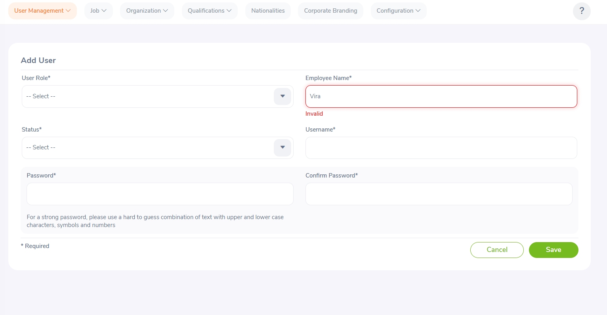

Tc_55 | Add User | Ts_47 | Functional Test | Validate Maximum length of characters in the Employee Name Field. | 1. User Must be login and Add New User Page of OrangeHRM must be Open. | 1. Enter Employee Name within 101 to 105 letters |  | system should display an error message stating “Employee name should be minimum of 5 letters and maximum of 100 only” | Employee Name is display with error message "Invalid" | Fail | 

Tc_56 | Add User | Ts_48 | Functional Test | Validate user should be allowed to enter only alphabet letters in the Employee Name Field. | 1. User Must be login and Add New User Page of OrangeHRM must be Open. 2. Test Data must be avialbale | 1. Enter Employee name with letters only | EN: Virat Kohali | Employee Name Should be Display without any error | Employee Name is display with error message "Invalid" | Fail | 

Tc_57 | Add User | Ts_48 | Functional Test | Validate is user should able to enter alphanumeric values in the Employee Name Field. | 1. User Must be login and Add New User Page of OrangeHRM must be Open. | 1. Enter Employee Name with alphanumeric values |  | system should display message stating “Employee name must be letters only” | Employee Name is display with error message "Invalid" | Fail | 

Tc_58 | Add User | Ts_49 | Functional Test | Validate User Name with Valid Credentials | 1. User must be login and Add New User Page of OrangeHRM must be Open. 2. Test Data must be avialable | 1. Enter Valid User Name | UN: Cheeku | Username Should be display without any error | Username display without any error | Pass

Tc_59 | Add User | Ts_49 | Functional Test | Validate Add User Functionality When User Name is Empty. | 1. User must be login and Add New User Page of OrangeHRM must be Open. | 1. Keep User Name Empty |  | Field Should be Empty | Field is Empty | Pass
 |  |  |  |  |  | 2. Click On Save Button |  | User Should get An Error Message Like "Required" | User get An Error Message Like "Required" | Pass

Tc_60 | Add User | Ts_50 | Functional Test | Validate length of characters in the User Name Field. | 1. User Must be login and Add New User Page of OrangeHRM must be Open. 2.Test Data must be Available | 1. Enter User Name within 5 to 20 letters | UN: Cheeku | User name should be display without any error | User name display without any error | Pass

Tc_61 | Add User | Ts_50 | Functional Test | Validate Minimum length of characters in the User Name Field. | 1. User Must be login and Add New User Page of OrangeHRM must be Open. | 1. Enter User Name within 0 to 4 letters |  | system should display an error message stating “User name should be minimum of 5 letters and maximum of 20 letters only” | system display an error message stating “User name should be minimum of 5 letters and maximum of 20 letters only” | Pass

Tc_62 | Add User | Ts_51 | Functional Test | Validate Maximum length of characters in the User Name Field. | 1. User Must be login and Add New User Page of OrangeHRM must be Open. | 1. Enter User Name within 21 to 25 letters |  | system should display an error message stating “User name should be minimum of 5 letters and maximum of 20 letters only” | System is not displaying Any error message | Fail

Tc_63 | Add User | Ts_52 | Functional Test | Validate Add user Functionality when the User Name is Duplicate | 1. User Must be login and Add New User Page of OrangeHRM must be Open. 2.Test Data must be available | 1. Enter Duplicate Username . | UN: Cheeku | system should display message stating “User already exist”. | system display message stating “User already exist”. | Pass

Tc_64 | Add User | Ts_53 | Functional Test | Verify if the enterd password is in encrypted form in the password field. | 1. User Must be login and Add New User Page of OrangeHRM must be Open. | 1. Enter password in password field And Observe. |  | Enterd password should be in encrypted form | Enterd password in encrypted form | Pass

Tc_65 | Add User | Ts_54 | Functional Test | Verify password field displaying the progress bar (Weak, Medium, & Strong) for inputed password. | 1. User Must be login and Add New User Page of OrangeHRM must be Open. | 1. Observe The Password field |  | password field should be displaying the progress bar (Weak, Medium, & Strong) for inputed password. | password field displaying the progress bar (Weak, Medium, & Strong) for inputed password. | Pass

Tc_66 | Add User | Ts_55 | Functional Test | Validate the functionality Of Save button | 1. User Must be login and Add New User Page of OrangeHRM must be Open. 2.User Must be enter all required details. | 1. Click on Save button |  | it should display message “Successfully saved”. | Employee Name field Giving error "Invalid" | Fail | 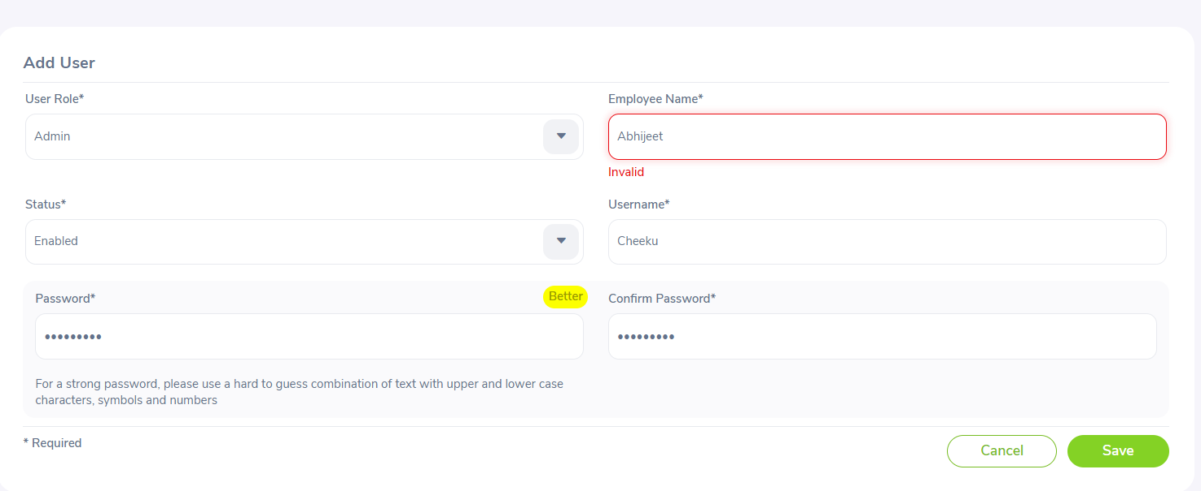

Tc_67 | Admin/User Management | Ts_56 | Functional Test | Validate the Functionality of delete user feature with delete button | 1. User Must be login and Admin/User Management Page of OrangeHRM must be open. 2.Test Data must be Available | 1. Select the user to delete |  | Page should be displaying founded Records with Username, User Role, Employee Name, Status, Actions with Delete & Edit buttons. | Page displaying founded Records with Username, User Role, Employee Name, Status, Actions with Delete & Edit buttons. | Pass
 |  |  |  |  |  | 2. Click on Delete Button |  | it should display pop up for confirmation | it display pop up for confirmation | Pass
 |  |  |  |  |  | 3. click on “Yes,Delete” button |  | it should display message stating “Successfully deleted”. | it display message stating “Successfully deleted”. | Pass

 |  |  |  | Logout Feature

Tc_68 | DashBoard & Admin/User Management Page | Ts_57 | Functional Test | Validate For the Functionality of Logout Feature For Dashboard Page . | 1. User Must be login and Dashboard Page of OrangeHRM must be open. | 1. Click on User Name Icon avilable at right side top cornor. |  | user should get the options About, Support, change Password and Logout | user get the options About, Support, change Password and Logout | Pass
 |  |  |  |  |  | 2. click on Logout button |  | User should be able to do logout and home page of application should be display. | User able to do logout and home page of application should be display. | Pass

Tc_69 | DashBoard & Admin/User Management Page | Ts_57 | Functional Test | Validate For the Functionality of Logout Feature For Admin Page. | 1. User Must be login and Admin/User Management Page of OrangeHRM must be open. | 1. Click on User Name Icon avilable at right side top cornor. |  | user should get the options About, Support, change Password and Logout | user get the options About, Support, change Password and Logout | Pass
 |  |  |  |  |  | 2. click on Logout button |  | User should be able to do logout and home page of application should be display. | User able to do logout and home page of application should be display. | Pass

